Final Presentation Criteria
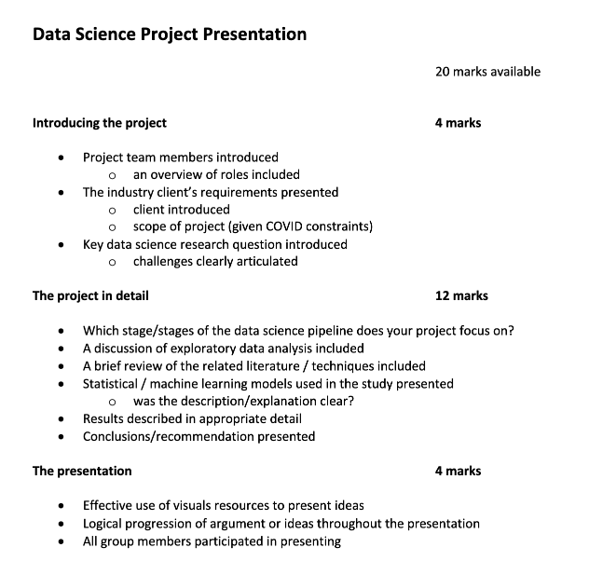
 | Some ideas: | Criteria:
 | Research question introduction: Problem Formulation | Introduction to the client, the data science problem and group member
 | Focus stage: visualisation and model training | Data Science workflow explained/EDA included: implications discussed
 | Data Analysis | Methods - justification included; description clear; mathematical rigour at the expected standard
 | ML models | Results and Conclusion - valid and informative -- are the results of interest to the client/host and to the wider data science community?
 | Logical progression of argument | Presentation technique: read from a script? Did the group engage with the audience? Did all group members contribute?
 |  | 1 mark per min if presentation greater than 15 mins

15mins
5mins Q&A
Recording must be shared with client as well
Live Presentation

Final Report Criteria
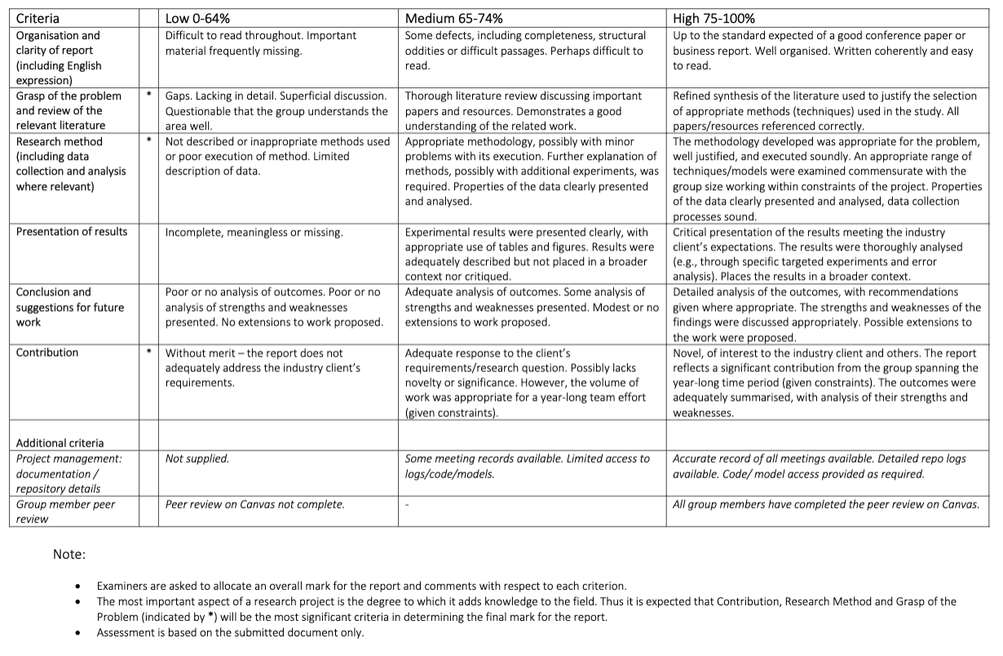
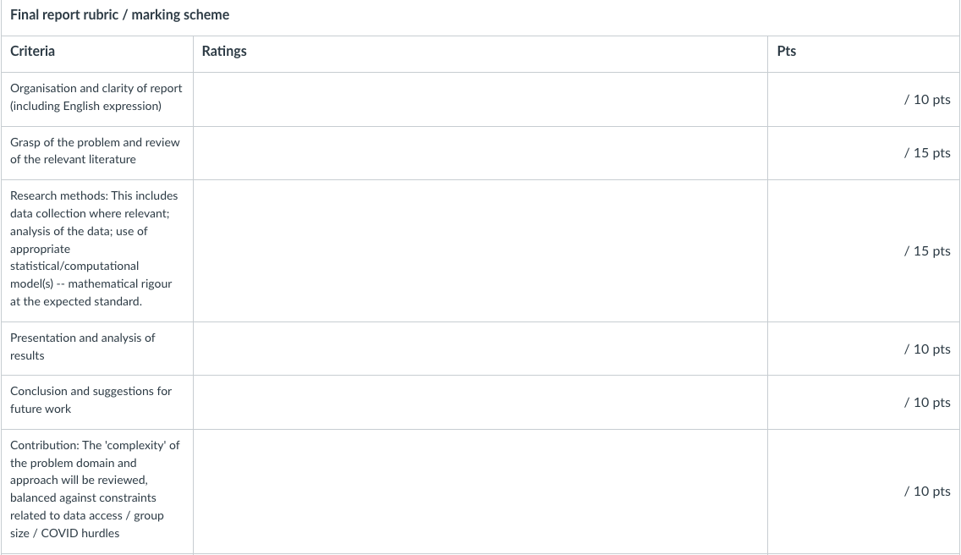

6k-10k words
There are two examples on LMS (refer to the length and research scope)
Subject coordinators can access our repository logs and records of all meetings (included in an appendix)
Github

